About
PLANAbPiaSY Potential Land Area Newly Affected by Policy in a Single Year

Sources: | Acres Available for Afforestation and Reforestation
 | Ross W. Gorte, Congressional Research Service
 | 2009
 | U.S. Tree Planting for Carbon Sequestration
 | https://www.fas.org/sgp/crs/misc/R40562.pdf
 | Page 2, Paragraph 2

 | Annual Acreage Cut
 | Forestry Industry and Analysis National Program
 | 2003
 | Trend Data
 | http://www.fia.fs.fed.us/slides/major-trends.pdf
 | Slide 5

 | U.S. Forest Acreage has been Increasing in All Regions
 | U.S. Forest Service
 | 2014
 | U.S. Forest Resource Facts and Historical Trends
 | http://www.fia.fs.fed.us/library/brochures/docs/2012/ForestFacts_1952-2012_English.pdf
 | Page 8

 | Total Forest Acreage
 | Congressional Research Service
 | 2021
 | U.S. Forest Ownership and Management
 | https://crsreports.congress.gov/product/pdf/IF/IF12001#:~:text=Most%20of%20the%20527%20million,by%20state%20and%20local%20governments.

 | CO2 per land unit: reforestation, avoided deforestation, and grasslands
 | Nature4Climate
 | US Carbon Mapper
 | https://nature4climate.org/u-s-carbon-mapper/
 | Data underlying the online mapper send by Joe Fargione upon request September 22, 2021

 | Reforestation per year
 | Fargione, et al.
 | Challenges to the Reforestation Pipeline in the United States
 | Frontiers in Forests and Global Change
 | February 2021
 | https://www.frontiersin.org/articles/10.3389/ffgc.2021.629198/full

 | Peatland Restoration
 | ICF International
 | 2016
 | Managing Agricultural Land for Greenhouse Gas Mitigation within the United States
 | https://www.usda.gov/sites/default/files/documents/White_Paper_WEB71816.pdf
 | pages 36-37

Notes
In the US EPS, we repurpose the forest restoration policy to represent
grassland restoration and avoided conversion.

Because most forest management policies in the US are targeted at privately
owned lands, we calculate the available acreage for the forest management
policy based on a share of private owned forests.

Guidance regarding acres available per year in TNC data:
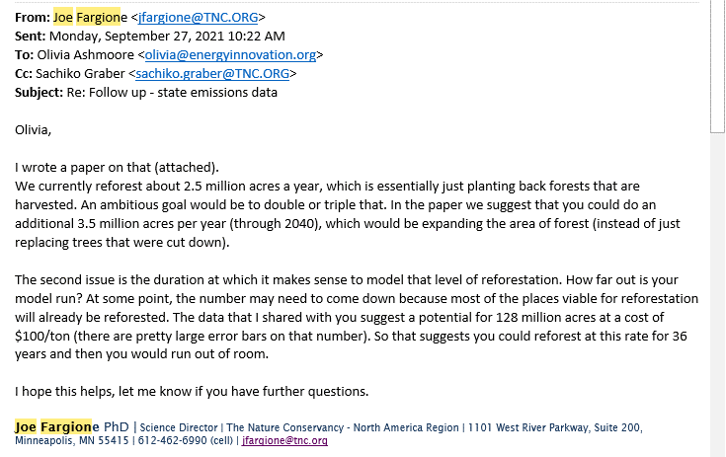

We also adjust this variable to remove the potential implemented as part of Inflation Reduction Act
calculations (see relevant tab for methodology).

